PUMA
 |  |  |  |  |  |  | 116 | 128 | 140 | 152 | 164 | 176
 |  |  |  | RRP | WHL | TOT | 5-6y | 7-8y | 9-10y | 11-12y | 13-14y | 15-16y

682780-01 | ESS+ SCRIPT Metallic Hoodie FL G | KIDS | 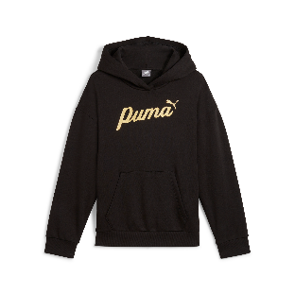 | € 45.00 | € 22.50 | 1017 | 53 | 139 | 264 | 307 | 208 | 46 | 100% cotton
682799-01 | ESS+ SCRIPT Metallic Pants FL G | KIDS |  | € 40.00 | € 20.00 | 1224 | 42 | 145 | 286 | 387 | 303 | 61 | 100% cotton

